Tables
Tables

Lending Officer |  |  | Submitted by |  | Policy Waiver
Ebony Gladden |  |  | Adivya Gharde |  | Justin Howell
Jon Jackson |  |  | Eleni Takai |  | Mike Currie
Justin Howell |  |  | Joe Gavarra |  | Taryn Pontifex
Marcel Coopman |  |  | Jordan Bentley |  | Teri Hawkins
Mike Currie |  |  | Julie O'Regan
Teri Hawkins |  |  | Lillie Peters
Taryn Pontifex |  |  | Max Campbell
 |  |  | Sascha Jovanoski
 |  |  | Scott Uren
 |  |  | Stu Ronneberg

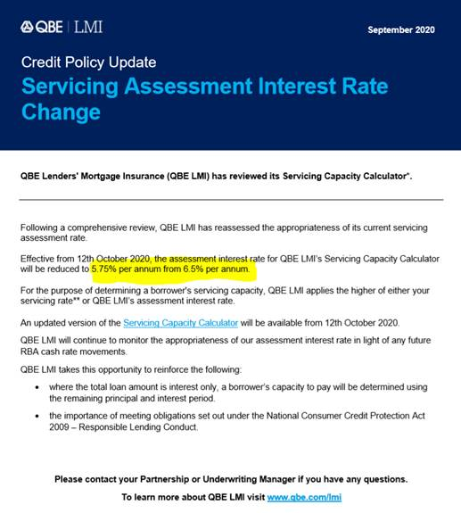
BOARD | BOARD
LA | Loan Assessor
SLA | Senior Loan Assessor
CAL | Credit Assessment Lead
SMC | SMC
COO | COO
CEO | CEO
BOARD | BOARD

Delegations |  | LA | SLA | CAL | SMC | COO | CEO | Term |  | Without LMI | LMI | Class
PL - Unsec | L11 | $20,000 | $30,150 | $40,000 | $50,000 | $50,000 | $100,000 | 84 |  | 0% |  | PL
PL - Sec | L11 | $30,000 | $40,000 | $50,000 | $75,000 | $100,000 | $150,000 | 84 |  | Varies |  | PL
Car AnyAge | L12 | $60,000 | $100,000 | $150,000 | $200,000 | $250,000 | $300,000 | 84 |  | Varies |  | PL
Car <3yo | L23 | $60,000 | $100,000 | $150,000 | $200,000 | $250,000 | $300,000 | 84 |  | Varies |  | PL
Car <3yo Green | L24 | $60,000 | $100,000 | $150,000 | $200,000 | $250,000 | $300,000 | 84 |  | Varies |  | PL
Credit Card | S7 | $25,000 | $25,000 | $25,000 | $25,000 | $35,000 | $50,000 | 36 |  | 0% |  | PL
FlexiCredit | S22 | $25,000 | $25,000 | $25,000 | $25,000 | $35,000 | $50,000 | 36 |  | 0% |  | PL
HL Everyday 80 (Sal Cred) | L1_80_SC | $750,000 | $1,000,000 | $1,500,000 | $2,000,000 | $2,500,000 | $3,000,000 | 360 |  | 80% |  | HL
HL Everyday 90 (Sal Cred) | L1_90_SC | $750,000 | $1,000,000 | $1,500,000 | $2,000,000 | $2,500,000 | $3,000,000 | 360 |  | 80% | 90% | HL
HL Everyday 95 (Sal Cred) | L1_95_SC | $750,000 | $1,000,000 | $1,500,000 | $2,000,000 | $2,500,000 | $3,000,000 | 360 |  | 80% | 95% | HL
HL Everyday 80 IO (Sal Cred) | L1_80_IO_SC | $750,000 | $1,000,000 | $1,500,000 | $2,000,000 | $2,500,000 | $3,000,000 | 360 |  | 80% |  | HL
HL Everyday 90 IO (Sal Cred) | L1_90_IO_SC | $750,000 | $1,000,000 | $1,500,000 | $2,000,000 | $2,500,000 | $3,000,000 | 360 |  | 80% | 90% | HL
HL Everyday 95 IO (Sal Cred) | L1_95_IO_SC | $750,000 | $1,000,000 | $1,500,000 | $2,000,000 | $2,500,000 | $3,000,000 | 360 |  | 80% | 95% | HL
HL Everyday Fixed 1 Year (Sal Cred) | L1_F1_SC | $750,000 | $1,000,000 | $1,500,000 | $2,000,000 | $2,500,000 | $3,000,000 | 360 |  | 80% | 95% | HL
HL Everyday Fixed 1 Year IO (Sal Cred) | L1_F1_IO_SC | $750,000 | $1,000,000 | $1,500,000 | $2,000,000 | $2,500,000 | $3,000,000 | 360 |  | 80% | 90% | HL
HL Everyday Fixed 2 Year (Sal Cred) | L1_F2_SC | $750,000 | $1,000,000 | $1,500,000 | $2,000,000 | $2,500,000 | $3,000,000 | 360 |  | 80% | 95% | HL
HL Everyday Fixed 3 Year (Sal Cred) | L1_F3_SC | $750,000 | $1,000,000 | $1,500,000 | $2,000,000 | $2,500,000 | $3,000,000 | 360 |  | 80% | 95% | HL
HL Everyday Fixed 5 Year (Sal Cred) | L1_F5_SC | $750,000 | $1,000,000 | $1,500,000 | $2,000,000 | $2,500,000 | $3,000,000 | 360 |  | 80% | 95% | HL
HL Everyday Roll Rate (Sal Cred) | L1_Roll_SC | $750,000 | $1,000,000 | $1,500,000 | $2,000,000 | $2,500,000 | $3,000,000 | 360 |  | 80% | 95% | HL
INV Everyday 80 (Sal Cred) | L1_INV80_SC | $750,000 | $1,000,000 | $1,500,000 | $2,000,000 | $2,500,000 | $3,000,000 | 360 |  | 80% |  | HL
INV Everyday 90 (Sal Cred) | L1_INV90_SC | $750,000 | $1,000,000 | $1,500,000 | $2,000,000 | $2,500,000 | $3,000,000 | 360 |  | 80% | 90% | HL
INV Everyday 80 IO (Sal Cred) | L1_INV80_IO_SC | $750,000 | $1,000,000 | $1,500,000 | $2,000,000 | $2,500,000 | $3,000,000 | 360 |  | 80% |  | HL
INV Everyday 90 IO (Sal Cred) | L1_INV90_IO_SC | $750,000 | $1,000,000 | $1,500,000 | $2,000,000 | $2,500,000 | $3,000,000 | 360 |  | 80% | 90% | HL
INV Everyday Fixed 1 Year (Sal Cred) | L1_INVF1_SC | $750,000 | $1,000,000 | $1,500,000 | $2,000,000 | $2,500,000 | $3,000,000 | 360 |  | 80% | 90% | HL
INV Everyday Fixed 2 Year (Sal Cred) | L1_INVF2_SC | $750,000 | $1,000,000 | $1,500,000 | $2,000,000 | $2,500,000 | $3,000,000 | 360 |  | 80% | 90% | HL
INV Everyday Fixed 3 Year (Sal Cred) | L1_INVF3_SC | $750,000 | $1,000,000 | $1,500,000 | $2,000,000 | $2,500,000 | $3,000,000 | 360 |  | 80% | 90% | HL
INV Everyday Fixed 5 Year (Sal Cred) | L1_INVF5_SC | $750,000 | $1,000,000 | $1,500,000 | $2,000,000 | $2,500,000 | $3,000,000 | 360 |  | 80% | 90% | HL
INV Everyday Fixed 1 Year IO (Sal Cred) | L1_INVF1_IO_SC | $750,000 | $1,000,000 | $1,500,000 | $2,000,000 | $2,500,000 | $3,000,000 | 360 |  | 80% | 90% | HL
INV Everyday Fixed 2 Year IO (Sal Cred) | L1_INVF2_IO_SC | $750,000 | $1,000,000 | $1,500,000 | $2,000,000 | $2,500,000 | $3,000,000 | 360 |  | 80% | 90% | HL
INV Everyday Fixed 3 Year IO (Sal Cred) | L1_INVF3_IO_SC | $750,000 | $1,000,000 | $1,500,000 | $2,000,000 | $2,500,000 | $3,000,000 | 360 |  | 80% | 90% | HL
INV Everyday Fixed 5 Year IO (Sal Cred) | L1_INVF5_IO_SC | $750,000 | $1,000,000 | $1,500,000 | $2,000,000 | $2,500,000 | $3,000,000 | 360 |  | 80% | 90% | HL
INV Everyday Roll Rate (Sal Cred) | L1_INVRoll_SC | $750,000 | $1,000,000 | $1,500,000 | $2,000,000 | $2,500,000 | $3,000,000 | 360 |  | 80% | 90% | HL
HL Everyday 80 (Non Sal Cred) | L1_80_NSC | $750,000 | $1,000,000 | $1,500,000 | $2,000,000 | $2,500,000 | $3,000,000 | 360 |  | 80% |  | HL
HL Everyday 90 (Non Sal Cred) | L1_90_NSC | $750,000 | $1,000,000 | $1,500,000 | $2,000,000 | $2,500,000 | $3,000,000 | 360 |  | 80% | 90% | HL
HL Everyday 95 (Non Sal Cred) | L1_95_NSC | $750,000 | $1,000,000 | $1,500,000 | $2,000,000 | $2,500,000 | $3,000,000 | 360 |  | 80% | 95% | HL
HL Everyday 80 IO (Non Sal Cred) | L1_80_IO_NSC | $750,000 | $1,000,000 | $1,500,000 | $2,000,000 | $2,500,000 | $3,000,000 | 360 |  | 80% |  | HL
HL Everyday 90 IO (Non Sal Cred) | L1_90_IO_NSC | $750,000 | $1,000,000 | $1,500,000 | $2,000,000 | $2,500,000 | $3,000,000 | 360 |  | 80% | 90% | HL
HL Everyday 95 IO (Non Sal Cred) | L1_95_IO_NSC | $750,000 | $1,000,000 | $1,500,000 | $2,000,000 | $2,500,000 | $3,000,000 | 360 |  | 80% | 95% | HL
HL Everyday Fixed 1 Year (Non Sal Cred) | L1_F1_NSC | $750,000 | $1,000,000 | $1,500,000 | $2,000,000 | $2,500,000 | $3,000,000 | 360 |  | 80% | 95% | HL
HL Everyday Fixed 2 Year (Non Sal Cred) | L1_F2_NSC | $750,000 | $1,000,000 | $1,500,000 | $2,000,000 | $2,500,000 | $3,000,000 | 360 |  | 80% | 95% | HL
HL Everyday Fixed 3 Year (Non Sal Cred) | L1_F3_NSC | $750,000 | $1,000,000 | $1,500,000 | $2,000,000 | $2,500,000 | $3,000,000 | 360 |  | 80% | 95% | HL
HL Everyday Fixed 5 Year (Non Sal Cred) | L1_F5_NSC | $750,000 | $1,000,000 | $1,500,000 | $2,000,000 | $2,500,000 | $3,000,000 | 360 |  | 80% | 95% | HL
HL Everyday Roll Rate (Non Sal Cred) | L1_Roll_NSC | $750,000 | $1,000,000 | $1,500,000 | $2,000,000 | $2,500,000 | $3,000,000 | 360 |  | 80% | 95% | HL
INV Everyday 80 (Non Sal Cred) | L1_INV80_NSC | $750,000 | $1,000,000 | $1,500,000 | $2,000,000 | $2,500,000 | $3,000,000 | 360 |  | 80% |  | HL
INV Everyday 90 (Non Sal Cred) | L1_INV90_NSC | $750,000 | $1,000,000 | $1,500,000 | $2,000,000 | $2,500,000 | $3,000,000 | 360 |  | 80% | 90% | HL
INV Everyday 80 IO (Non Sal Cred) | L1_INV80_IO_NSC | $750,000 | $1,000,000 | $1,500,000 | $2,000,000 | $2,500,000 | $3,000,000 | 360 |  | 80% |  | HL
INV Everyday 90 IO (Non Sal Cred) | L1_INV90_IO_NSC | $750,000 | $1,000,000 | $1,500,000 | $2,000,000 | $2,500,000 | $3,000,000 | 360 |  | 80% | 90% | HL
INV Everyday Fixed 1 Year (Non Sal Cred) | L1_INVF1_NSC | $750,000 | $1,000,000 | $1,500,000 | $2,000,000 | $2,500,000 | $3,000,000 | 360 |  | 80% | 90% | HL
INV Everyday Fixed 2 Year (Non Sal Cred) | L1_INVF2_NSC | $750,000 | $1,000,000 | $1,500,000 | $2,000,000 | $2,500,000 | $3,000,000 | 360 |  | 80% | 90% | HL
INV Everyday Fixed 3 Year (Non Sal Cred) | L1_INVF3_NSC | $750,000 | $1,000,000 | $1,500,000 | $2,000,000 | $2,500,000 | $3,000,000 | 360 |  | 80% | 90% | HL
INV Everyday Fixed 5 Year (Non Sal Cred) | L1_INVF5_NSC | $750,000 | $1,000,000 | $1,500,000 | $2,000,000 | $2,500,000 | $3,000,000 | 360 |  | 80% | 90% | HL
INV Everyday Fixed 1 Year IO (Non Sal Cred) | L1_INVF1_IO_NSC | $750,000 | $1,000,000 | $1,500,000 | $2,000,000 | $2,500,000 | $3,000,000 | 360 |  | 80% | 90% | HL
INV Everyday Fixed 2 Year IO (Non Sal Cred) | L1_INVF2_IO_NSC | $750,000 | $1,000,000 | $1,500,000 | $2,000,000 | $2,500,000 | $3,000,000 | 360 |  | 80% | 90% | HL
INV Everyday Fixed 3 Year IO (Non Sal Cred) | L1_INVF3_IO_NSC | $750,000 | $1,000,000 | $1,500,000 | $2,000,000 | $2,500,000 | $3,000,000 | 360 |  | 80% | 90% | HL
INV Everyday Fixed 5 Year IO (Non Sal Cred) | L1_INVF5_IO_NSC | $750,000 | $1,000,000 | $1,500,000 | $2,000,000 | $2,500,000 | $3,000,000 | 360 |  | 80% | 90% | HL
INV Roll Rate (Non Sal cred) | L1_INVRoll_NSC | $750,000 | $1,000,000 | $1,500,000 | $2,000,000 | $2,500,000 | $3,000,000 | 360 |  | 80% | 90% | HL
HL Offset 80 | L2_OFF_80 | $750,000 | $1,000,000 | $1,500,000 | $2,000,000 | $2,500,000 | $3,000,000 | 360 |  | 80% |  | HL
HL Offset 90 | L2_OFF_90 | $750,000 | $1,000,000 | $1,500,000 | $2,000,000 | $2,500,000 | $3,000,000 | 360 |  | 80% | 90% | HL
HL Offset 95 | L2_OFF_95 | $750,000 | $1,000,000 | $1,500,000 | $2,000,000 | $2,500,000 | $3,000,000 | 360 |  | 80% | 95% | HL
HL Offset IO 80 | L2_OFF_IO_80 | $750,000 | $1,000,000 | $1,500,000 | $2,000,000 | $2,500,000 | $3,000,000 | 360 |  | 80% |  | HL
HL Offset IO 90 | L2_OFF_IO_90 | $750,000 | $1,000,000 | $1,500,000 | $2,000,000 | $2,500,000 | $3,000,000 | 360 |  | 80% | 90% | HL
HL Offset IO 95 | L2_OFF_IO_95 | $750,000 | $1,000,000 | $1,500,000 | $2,000,000 | $2,500,000 | $3,000,000 | 360 |  | 80% | 95% | HL
HL Offset Fixed 1 Year | L2_OFF_ F1 | $750,000 | $1,000,000 | $1,500,000 | $2,000,000 | $2,500,000 | $3,000,000 | 360 |  | 80% | 95% | HL
HL Offset Fixed 1 Year IO | L2_OFF_F1_IO | $750,000 | $1,000,000 | $1,500,000 | $2,000,000 | $2,500,000 | $3,000,000 | 360 |  | 80% | 95% | HL
HL Offset Fixed 2 Year | L2_OFF_F2 | $750,000 | $1,000,000 | $1,500,000 | $2,000,000 | $2,500,000 | $3,000,000 | 360 |  | 80% | 95% | HL
HL Offset Fixed 3 Year | L2_OFF_F3 | $750,000 | $1,000,000 | $1,500,000 | $2,000,000 | $2,500,000 | $3,000,000 | 360 |  | 80% | 95% | HL
HL Offset Fixed 5 Year | L2_OFF_F5 | $750,000 | $1,000,000 | $1,500,000 | $2,000,000 | $2,500,000 | $3,000,000 | 360 |  | 80% | 95% | HL
HL Offset Roll Rate | L2_OFF_Roll | $750,000 | $1,000,000 | $1,500,000 | $2,000,000 | $2,500,000 | $3,000,000 | 360 |  | 80% | 95% | HL
INV Offset 80 | L2_OFF_INV80 | $750,000 | $1,000,000 | $1,500,000 | $2,000,000 | $2,500,000 | $3,000,000 | 360 |  | 80% |  | HL
INV Offset 90 | L2_OFF_INV90 | $750,000 | $1,000,000 | $1,500,000 | $2,000,000 | $2,500,000 | $3,000,000 | 360 |  | 80% | 90% | HL
INV Offset 80 IO | L2_OFF_INV80_IO | $750,000 | $1,000,000 | $1,500,000 | $2,000,000 | $2,500,000 | $3,000,000 | 360 |  | 80% |  | HL
INV Offset 90 IO | L2_OFF_INV90_IO | $750,000 | $1,000,000 | $1,500,000 | $2,000,000 | $2,500,000 | $3,000,000 | 360 |  | 80% | 90% | HL
INV Offset Fixed 1 Year | L2_OFF_INVFI | $750,000 | $1,000,000 | $1,500,000 | $2,000,000 | $2,500,000 | $3,000,000 | 360 |  | 80% | 90% | HL
INV Offset Fixed 2 Year | L2_OFF_INVF2 | $750,000 | $1,000,000 | $1,500,000 | $2,000,000 | $2,500,000 | $3,000,000 | 360 |  | 80% | 90% | HL
INV Offset Fixed 3 Year | L2_OFF_INVF3 | $750,000 | $1,000,000 | $1,500,000 | $2,000,000 | $2,500,000 | $3,000,000 | 360 |  | 80% | 90% | HL
INV Offset Fixed 5 Year | L2_OFF_INVF5 | $750,000 | $1,000,000 | $1,500,000 | $2,000,000 | $2,500,000 | $3,000,000 | 360 |  | 80% | 90% | HL
INV Offset Fixed 1 Year IO | L2_OFF_INVF1_IO | $750,000 | $1,000,000 | $1,500,000 | $2,000,000 | $2,500,000 | $3,000,000 | 360 |  | 80% | 90% | HL
INV Offset Fixed 2 Year IO | L2_OFF_INVF2_IO | $750,000 | $1,000,000 | $1,500,000 | $2,000,000 | $2,500,000 | $3,000,000 | 360 |  | 80% | 90% | HL
INV Offset Fixed 3 Year IO | L2_OFF_INVF3_IO | $750,000 | $1,000,000 | $1,500,000 | $2,000,000 | $2,500,000 | $3,000,000 | 360 |  | 80% | 90% | HL
INV Offset Fixed 5 Year IO | L2_OFF_INVF5_IO | $750,000 | $1,000,000 | $1,500,000 | $2,000,000 | $2,500,000 | $3,000,000 | 360 |  | 80% | 90% | HL
INV Offset Roll Rate | L2_OFF_INVRoll | $750,000 | $1,000,000 | $1,500,000 | $2,000,000 | $2,500,000 | $3,000,000 | 360 |  | 80% | 90% | HL
HL S/Fwd Plus 80-90 | L52_90 | $750,000 | $1,000,000 | $1,500,000 | $2,000,000 | $2,500,000 | $3,000,000 | 360 |  | 80% | 90% | HL
HL S/Fwd Plus | L52 | $750,000 | $1,000,000 | $1,500,000 | $2,000,000 | $2,500,000 | $3,000,000 | 360 |  | 80% |  | HL
HL S/Fwd Plus 90-95 | L52_95 | $750,000 | $1,000,000 | $1,500,000 | $2,000,000 | $2,500,000 | $3,000,000 | 360 |  | 80% | 95% | HL
HL Std Var | L20 | $750,000 | $1,000,000 | $1,500,000 | $2,000,000 | $2,500,000 | $3,000,000 | 360 |  | 80% | 95% | HL
HL Std Var IO | L20_IO | $750,000 | $1,000,000 | $1,500,000 | $2,000,000 | $2,500,000 | $3,000,000 | 360 |  | 80% | 95% | HL
HL Package | L21 | $750,000 | $1,000,000 | $1,500,000 | $2,000,000 | $2,500,000 | $3,000,000 | 360 |  | 80% | 95% | HL
HL Package IO | L21_IO | $750,000 | $1,000,000 | $1,500,000 | $2,000,000 | $2,500,000 | $3,000,000 | 360 |  | 80% | 95% | HL
HL Fixed Pack 1Y | L45_1 | $750,000 | $1,000,000 | $1,500,000 | $2,000,000 | $2,500,000 | $3,000,000 | 360 |  | 80% | 95% | HL
HL Fix Pack 1Y IO | L45_1 IO | $750,000 | $1,000,000 | $1,500,000 | $2,000,000 | $2,500,000 | $3,000,000 | 360 |  | 80% | 95% | HL
HL Fixed Pack 2Y | L45_2 | $750,000 | $1,000,000 | $1,500,000 | $2,000,000 | $2,500,000 | $3,000,000 | 360 |  | 80% | 95% | HL
HL Fixed Pack 3Y | L45_3 | $750,000 | $1,000,000 | $1,500,000 | $2,000,000 | $2,500,000 | $3,000,000 | 360 |  | 80% | 95% | HL
HL Fixed Pack 5Y | L45_5 | $750,000 | $1,000,000 | $1,500,000 | $2,000,000 | $2,500,000 | $3,000,000 | 360 |  | 80% | 95% | HL
Inv S/Fwd Plus 80-90 | L18 | $750,000 | $1,000,000 | $1,500,000 | $2,000,000 | $2,500,000 | $3,000,000 | 360 |  | 80% | 90% | HL
Inv S/Fwd Plus IO 80-90 | L18_IO_90 | $750,000 | $1,000,000 | $1,500,000 | $2,000,000 | $2,500,000 | $3,000,000 | 360 |  | 80% | 90% | HL
Inv S/Fwd Plus | L18 | $750,000 | $1,000,000 | $1,500,000 | $2,000,000 | $2,500,000 | $3,000,000 | 360 |  | 80% |  | HL
Inv S/Fwd Plus IO | L18_IO | $750,000 | $1,000,000 | $1,500,000 | $2,000,000 | $2,500,000 | $3,000,000 | 360 |  | 80% |  | HL
Inv Std Var | L15 | $750,000 | $1,000,000 | $1,500,000 | $2,000,000 | $2,500,000 | $3,000,000 | 360 |  | 80% | 90% | HL
Inv Std Var IO | L15_IO | $750,000 | $1,000,000 | $1,500,000 | $2,000,000 | $2,500,000 | $3,000,000 | 360 |  | 80% | 90% | HL
Inv Package | L16 | $750,000 | $1,000,000 | $1,500,000 | $2,000,000 | $2,500,000 | $3,000,000 | 360 |  | 80% | 90% | HL
Inv Package IO | L16_IO | $750,000 | $1,000,000 | $1,500,000 | $2,000,000 | $2,500,000 | $3,000,000 | 360 |  | 80% | 90% | HL
INV Fixed Pack 1Y | L46_1 | $750,000 | $1,000,000 | $1,500,000 | $2,000,000 | $2,500,000 | $3,000,000 | 360 |  | 80% | 90% | HL
INV Fix Pack 1Y IO | L46_1IO | $750,000 | $1,000,000 | $1,500,000 | $2,000,000 | $2,500,000 | $3,000,000 | 360 |  | 80% | 90% | HL
INV Fixed Pack 2Y | L46_2 | $750,000 | $1,000,000 | $1,500,000 | $2,000,000 | $2,500,000 | $3,000,000 | 360 |  | 80% | 90% | HL
INV Fix Pack 2Y IO | L46_2IO | $750,000 | $1,000,000 | $1,500,000 | $2,000,000 | $2,500,000 | $3,000,000 | 360 |  | 80% | 90% | HL
INV Fixed Pack 3Y | L46_3 | $750,000 | $1,000,000 | $1,500,000 | $2,000,000 | $2,500,000 | $3,000,000 | 360 |  | 80% | 90% | HL
INV Fix Pack 3Y IO | L46_3IO | $750,000 | $1,000,000 | $1,500,000 | $2,000,000 | $2,500,000 | $3,000,000 | 360 |  | 80% | 90% | HL
INV Fixed Pack 5Y | L46_5 | $750,000 | $1,000,000 | $1,500,000 | $2,000,000 | $2,500,000 | $3,000,000 | 360 |  | 80% | 90% | HL
INV Fix Pack 5Y IO | L46_5IO | $750,000 | $1,000,000 | $1,500,000 | $2,000,000 | $2,500,000 | $3,000,000 | 360 |  | 80% | 90% | HL
Maximum |  | $750,000 | $1,000,000 | $1,500,000 | $2,000,000 | $2,500,000 | $3,000,000
DLA - Non mortgage |  | 100% | 100% | 100% | 100% | 100%
DLA - Mortgage |  | 100% | 100% | 100% | 100% | 100%
 |  | #N/A | #N/A | #N/A | #N/A | #N/A
DLA |  | #N/A | #N/A | #N/A | #N/A | #N/A
DLA - $2m<$3m |  | 0% | 0% | 0% | 98% | 98%
DLA - $3m+ |  | 0% | 0% | 0% | 0% | 95%
DTI - Non mortgage |  | 12 | 12 | 12 | 12 | 12
DTI - Mortgage |  | 4.99 | 5.99 | 6.49 | 6.99 | 7.99
Debt to income |  | #N/A | #N/A | #N/A | #N/A | #N/A
Loan Type |  | #N/A | #N/A | #N/A | #N/A | #N/A
Mortgage Loans |  | No LMI | LMI | IO Premium | Intro | 80-90 Loading | 90-95 Loading | 80-90 Inv Loading
Buffer |  | 3.00% | 3.00% | 0.20% | 0.40% | -0.45% | -0.15% | -0.55%
Floor |  | 7.00% | 7.00%
Base |  | 3.00% | 4.00%

 |  |  | MOVE | LMI
Loan Types |  | Rate | 3.00% | 3.00%
PL - Unsec | L11 | 13.74% | 13.74% | 13.74%
PL - Sec | L11 | 13.74% | 13.74% | 13.74%
Car AnyAge | L12 | 10.69% | 10.69% | 10.69%
Car <3yo | L23 | 6.99% | 6.99% | 6.99%
Car <3yo Green | L24 | 6.49% | 6.49% | 6.49%
Credit Card | S7 | 12.99% | 12.99% | 12.99% |  |  |  |  |  |  |  |  |  | Min Assess Rate
FlexiCredit | S22 | 12.29% | 12.29% | 12.29%
HL Everyday 80 (Sal Cred) | L1_80_SC | 5.94% | 8.94% | 8.94% |  |  |  |  |  |  |  |  |  | 8.94% | 3.00%
HL Everyday 90 (Sal Cred) | L1_90_SC | 6.09% | 9.09% | 9.09% |  |  |  |  |  |  |  |  |  | 9.09% | 3.00%
HL Everyday 95 (Sal Cred) | L1_95_SC | 6.24% | 9.24% | 9.24% |  |  |  |  |  |  |  |  |  | 9.24% | 3.00%
HL Everyday 80 IO (Sal Cred) | L1_80_IO_SC | 5.94% | 8.94% | 8.94% | IO |  |  |  |  |  |  |  |  | 8.94% | 3.00%
HL Everyday 90 IO (Sal Cred) | L1_90_IO_SC | 6.09% | 9.09% | 9.09% | IO |  |  |  |  |  |  |  |  | 9.09% | 3.00%
HL Everyday 95 IO (Sal Cred) | L1_95_IO_SC | 6.24% | 9.24% | 9.24% | IO |  |  |  |  |  |  |  |  | 9.24% | 3.00%
HL Everyday Fixed 1 Year (Sal Cred) | L1_F1_SC | 5.89% | 8.94% | 8.94% |  |  |  |  |  |  |  |  |  | 8.94% | 3.05%
HL Everyday Fixed 1 Year IO (Sal Cred) | L1_F1_IO_SC | 5.89% | 8.94% | 8.94% | IO |  |  |  |  |  |  |  |  | 8.94% | 3.05%
HL Everyday Fixed 2 Year (Sal Cred) | L1_F2_SC | 5.84% | 8.94% | 8.94% |  |  |  |  |  |  |  |  |  | 8.94% | 3.10%
HL Everyday Fixed 3 Year (Sal Cred) | L1_F3_SC | 5.79% | 8.94% | 8.94% |  |  |  |  |  |  |  |  |  | 8.94% | 3.15%
HL Everyday Fixed 5 Year (Sal Cred) | L1_F5_SC | 5.94% | 8.94% | 8.94% |  |  |  |  |  |  |  |  |  | 8.94% | 3.00%
HL Everyday Roll Rate (Sal Cred) | L1_Roll_SC | 5.94% | 8.94% | 8.94% |  |  |  |  |  |  |  |  |  | 8.94% | 3.00%
INV Everyday 80 (Sal Cred) | L1_INV80_SC | 6.24% | 9.24% | 9.24% |  |  |  |  |  |  |  |  |  | 9.24% | 3.00%
INV Everyday 90 (Sal Cred) | L1_INV90_SC | 6.39% | 9.39% | 9.39% |  |  |  |  |  |  |  |  |  | 9.39% | 3.00%
INV Everyday 80 IO (Sal Cred) | L1_INV80_IO_SC | 6.44% | 9.24% | 9.24% | IO |  |  |  |  |  |  |  |  | 9.24% | 2.80%
INV Everyday 90 IO (Sal Cred) | L1_INV90_IO_SC | 6.59% | 9.39% | 9.39% | IO |  |  |  |  |  |  |  |  | 9.39% | 2.80%
INV Everyday Fixed 1 Year (Sal Cred) | L1_INVF1_SC | 6.19% | 9.24% | 9.24% |  |  |  |  |  |  |  |  |  | 9.24% | 3.05%
INV Everyday Fixed 2 Year (Sal Cred) | L1_INVF2_SC | 6.14% | 9.24% | 9.24% |  |  |  |  |  |  |  |  |  | 9.24% | 3.10%
INV Everyday Fixed 3 Year (Sal Cred) | L1_INVF3_SC | 6.09% | 9.24% | 9.24% |  |  |  |  |  |  |  |  |  | 9.24% | 3.15%
INV Everyday Fixed 5 Year (Sal Cred) | L1_INVF5_SC | 6.24% | 9.24% | 9.24% |  |  |  |  |  |  |  |  |  | 9.24% | 3.00%
INV Everyday Fixed 1 Year IO (Sal Cred) | L1_INVF1_IO_SC | 6.39% | 9.24% | 9.24% | IO |  |  |  |  |  |  |  |  | 9.24% | 2.85%
INV Everyday Fixed 2 Year IO (Sal Cred) | L1_INVF2_IO_SC | 6.34% | 9.24% | 9.24% | IO |  |  |  |  |  |  |  |  | 9.24% | 2.90%
INV Everyday Fixed 3 Year IO (Sal Cred) | L1_INVF3_IO_SC | 6.29% | 9.24% | 9.24% | IO |  |  |  |  |  |  |  |  | 9.24% | 2.95%
INV Everyday Fixed 5 Year IO (Sal Cred) | L1_INVF5_IO_SC | 6.44% | 9.24% | 9.24% | IO |  |  |  |  |  |  |  |  | 9.24% | 2.80%
INV Everyday Roll Rate (Sal Cred) | L1_INVRoll_SC | 6.24% | 9.24% | 9.24% |  |  |  |  |  |  |  |  |  | 9.24% | 3.00%
HL Everyday 80 (Non Sal Cred) | L1_80_NSC | 6.04% | 9.04% | 9.04% |  |  |  |  |  |  |  |  |  | 9.04% | 3.00%
HL Everyday 90 (Non Sal Cred) | L1_90_NSC | 6.19% | 9.19% | 9.19% |  |  |  |  |  |  |  |  |  | 9.19% | 3.00%
HL Everyday 95 (Non Sal Cred) | L1_95_NSC | 6.34% | 9.34% | 9.34% |  |  |  |  |  |  |  |  |  | 9.34% | 3.00%
HL Everyday 80 IO (Non Sal Cred) | L1_80_IO_NSC | 6.04% | 9.04% | 9.04% | IO |  |  |  |  |  |  |  |  | 9.04% | 3.00%
HL Everyday 90 IO (Non Sal Cred) | L1_90_IO_NSC | 6.19% | 9.19% | 9.19% | IO |  |  |  |  |  |  |  |  | 9.19% | 3.00%
HL Everyday 95 IO (Non Sal Cred) | L1_95_IO_NSC | 6.34% | 9.34% | 9.34% | IO |  |  |  |  |  |  |  |  | 9.34% | 3.00%
HL Everyday Fixed 1 Year (Non Sal Cred) | L1_F1_NSC | 5.99% | 9.04% | 9.04% |  |  |  |  |  |  |  |  |  | 9.04% | 3.05%
HL Everyday Fixed 2 Year (Non Sal Cred) | L1_F2_NSC | 5.94% | 9.04% | 9.04% |  |  |  |  |  |  |  |  |  | 9.04% | 3.10%
HL Everyday Fixed 3 Year (Non Sal Cred) | L1_F3_NSC | 5.89% | 9.04% | 9.04% |  |  |  |  |  |  |  |  |  | 9.04% | 3.15%
HL Everyday Fixed 5 Year (Non Sal Cred) | L1_F5_NSC | 6.04% | 9.04% | 9.04% |  |  |  |  |  |  |  |  |  | 9.04% | 3.00%
HL Everyday Roll Rate (Non Sal Cred) | L1_Roll_NSC | 6.04% | 9.04% | 9.04% |  |  |  |  |  |  |  |  |  | 9.04% | 3.00%
INV Everyday 80 (Non Sal Cred) | L1_INV80_NSC | 6.34% | 9.34% | 9.34% |  |  |  |  |  |  |  |  |  | 9.34% | 3.00%
INV Everyday 90 (Non Sal Cred) | L1_INV90_NSC | 6.49% | 9.49% | 9.49% |  |  |  |  |  |  |  |  |  | 9.49% | 3.00%
INV Everyday 80 IO (Non Sal Cred) | L1_INV80_IO_NSC | 6.54% | 9.34% | 9.34% | IO |  |  |  |  |  |  |  |  | 9.34% | 2.80%
INV Everyday 90 IO (Non Sal Cred) | L1_INV90_IO_NSC | 6.69% | 9.49% | 9.49% | IO |  |  |  |  |  |  |  |  | 9.49% | 2.80%
INV Everyday Fixed 1 Year (Non Sal Cred) | L1_INVF1_NSC | 6.29% | 9.34% | 9.34% |  |  |  |  |  |  |  |  |  | 9.34% | 3.05%
INV Everyday Fixed 2 Year (Non Sal Cred) | L1_INVF2_NSC | 6.24% | 9.34% | 9.34% |  |  |  |  |  |  |  |  |  | 9.34% | 3.10%
INV Everyday Fixed 3 Year (Non Sal Cred) | L1_INVF3_NSC | 6.19% | 9.34% | 9.34% |  |  |  |  |  |  |  |  |  | 9.34% | 3.15%
INV Everyday Fixed 5 Year (Non Sal Cred) | L1_INVF5_NSC | 6.34% | 9.34% | 9.34% |  |  |  |  |  |  |  |  |  | 9.34% | 3.00%
INV Everyday Fixed 1 Year IO (Non Sal Cred) | L1_INVF1_IO_NSC | 6.49% | 9.34% | 9.34% | IO |  |  |  |  |  |  |  |  | 9.34% | 2.85%
INV Everyday Fixed 2 Year IO (Non Sal Cred) | L1_INVF2_IO_NSC | 6.44% | 9.34% | 9.34% | IO |  |  |  |  |  |  |  |  | 9.34% | 2.90%
INV Everyday Fixed 3 Year IO (Non Sal Cred) | L1_INVF3_IO_NSC | 6.39% | 9.34% | 9.34% | IO |  |  |  |  |  |  |  |  | 9.34% | 2.95%
INV Everyday Fixed 5 Year IO (Non Sal Cred) | L1_INVF5_IO_NSC | 6.54% | 9.34% | 9.34% | IO |  |  |  |  |  |  |  |  | 9.34% | 2.80%
INV Roll Rate (Non Sal cred) | L1_INVRoll_NSC | 6.34% | 9.34% | 9.34% |  |  |  |  |  |  |  |  |  | 9.34% | 3.00%
HL Offset 80 | L2_OFF_80 | 6.14% | 9.14% | 9.14% |  |  |  |  |  |  |  |  |  | 9.14% | 3.00%
HL Offset 90 | L2_OFF_90 | 6.29% | 9.29% | 9.29% |  |  |  |  |  |  |  |  |  | 9.29% | 3.00%
HL Offset 95 | L2_OFF_95 | 6.44% | 9.44% | 9.44% |  |  |  |  |  |  |  |  |  | 9.44% | 3.00%
HL Offset IO 80 | L2_OFF_IO_80 | 6.14% | 9.14% | 9.14% | IO |  |  |  |  |  |  |  |  | 9.14% | 3.00%
HL Offset IO 90 | L2_OFF_IO_90 | 6.29% | 9.29% | 9.29% | IO |  |  |  |  |  |  |  |  | 9.29% | 3.00%
HL Offset IO 95 | L2_OFF_IO_95 | 6.44% | 9.44% | 9.44% | IO |  |  |  |  |  |  |  |  | 9.44% | 3.00%
HL Offset Fixed 1 Year | L2_OFF_ F1 | 6.09% | 9.14% | 9.14% |  |  |  |  |  |  |  |  |  | 9.14% | 3.05%
HL Offset Fixed 1 Year IO | L2_OFF_F1_IO | 6.09% | 9.14% | 9.14% | IO |  |  |  |  |  |  |  |  | 9.14% | 3.05%
HL Offset Fixed 2 Year | L2_OFF_F2 | 6.04% | 9.14% | 9.14% |  |  |  |  |  |  |  |  |  | 9.14% | 3.10%
HL Offset Fixed 3 Year | L2_OFF_F3 | 5.99% | 9.14% | 9.14% |  |  |  |  |  |  |  |  |  | 9.14% | 3.15%
HL Offset Fixed 5 Year | L2_OFF_F5 | 6.14% | 9.14% | 9.14% |  |  |  |  |  |  |  |  |  | 9.14% | 3.00%
HL Offset Roll Rate | L2_OFF_Roll | 6.14% | 9.14% | 9.14% |  |  |  |  |  |  |  |  |  | 9.14% | 3.00%
INV Offset 80 | L2_OFF_INV80 | 6.44% | 9.44% | 9.44% |  |  |  |  |  |  |  |  |  | 9.44% | 3.00%
INV Offset 90 | L2_OFF_INV90 | 6.59% | 9.59% | 9.59% |  |  |  |  |  |  |  |  |  | 9.59% | 3.00%
INV Offset 80 IO | L2_OFF_INV80_IO | 6.64% | 9.44% | 9.44% | IO |  |  |  |  |  |  |  |  | 9.44% | 2.80%
INV Offset 90 IO | L2_OFF_INV90_IO | 6.79% | 9.59% | 9.59% | IO |  |  |  |  |  |  |  |  | 9.59% | 2.80%
INV Offset Fixed 1 Year | L2_OFF_INVFI | 6.39% | 9.44% | 9.44% |  |  |  |  |  |  |  |  |  | 9.44% | 3.05%
INV Offset Fixed 2 Year | L2_OFF_INVF2 | 6.34% | 9.44% | 9.44% |  |  |  |  |  |  |  |  |  | 9.44% | 3.10%
INV Offset Fixed 3 Year | L2_OFF_INVF3 | 6.29% | 9.44% | 9.44% |  |  |  |  |  |  |  |  |  | 9.44% | 3.15%
INV Offset Fixed 5 Year | L2_OFF_INVF5 | 6.44% | 9.44% | 9.44% |  |  |  |  |  |  |  |  |  | 9.44% | 3.00%
INV Offset Fixed 1 Year IO | L2_OFF_INVF1_IO | 6.59% | 9.44% | 9.44% | IO |  |  |  |  |  |  |  |  | 9.44% | 2.85%
INV Offset Fixed 2 Year IO | L2_OFF_INVF2_IO | 6.54% | 9.44% | 9.44% | IO |  |  |  |  |  |  |  |  | 9.44% | 2.90%
INV Offset Fixed 3 Year IO | L2_OFF_INVF3_IO | 6.49% | 9.44% | 9.44% | IO |  |  |  |  |  |  |  |  | 9.44% | 2.95%
INV Offset Fixed 5 Year IO | L2_OFF_INVF5_IO | 6.64% | 9.44% | 9.44% | IO |  |  |  |  |  |  |  |  | 9.44% | 2.80%
INV Offset Roll Rate | L2_OFF_INVRoll | 6.44% | 9.44% | 9.44% |  |  |  |  |  |  |  |  |  | 9.44% | 3.00%
HL S/Fwd- Base | L51-Base | 6.64% |  |  |  |  |  |  |  |  | $0.00 | 0.00%
HL S/Fwd Plus 80-90 | L52 | 6.64% | 9.64% | 9.64% |  |  |  |  |  |  | $499,999.99 | 0.10% | 6.54% | 9.64% | 3.00%
HL S/Fwd Plus | L52 | 6.19% | 9.19% | 9.19% |  |  |  |  |  |  |  |  |  | 9.19% | 3.00%
HL S/Fwd Plus 90-95 | L52 | 6.79% | 9.79% | 9.79% |  |  |  |  |  |  |  |  |  | 9.79% | 3.00%
HL Std Var | L20 | 7.75% | 10.75% | 10.75% |  |  |  |  |  |  |  |  |  | 10.75% | 3.00%
HL Std Var IO | L20_IO | 7.75% | 10.75% | 10.75% | IO |  | $0 | $249,999 | $499,999 | $749,999 | $0.00 | 0.75% | 7.00% | 10.75% | 3.00%
HL Package | L21 | 7.00% | 10.00% | 10.00% |  | $33 | 0.75% | 0.85% | 0.95% | 1.05% | $249,999.00 | 0.85% | 6.90% | 10.00% | 3.00%
HL Package IO | L21_IO | 7.00% | 10.00% | 10.00% | IO | $33 |  |  |  |  | $499,999.00 | 0.95% | 6.80% | 10.00% | 3.00%
HL Fixed Pack 1Y | L45_1 | 6.24% | 10.00% | 10.00% |  | $33 |  |  |  |  | $749,999.00 | 1.05% | 6.70% | 10.00% | 3.76%
HL Fix Pack 1Y IO | L45_1 IO | 6.44% | 10.00% | 10.00% | IO | $33 |  |  |  |  |  |  |  | 10.00% | 3.56%
HL Fixed Pack 2Y | L45_2 | 6.24% | 10.00% | 10.00% |  | $33 |  |  |  |  |  |  |  | 10.00% | 3.76%
HL Fixed Pack 3Y | L45_3 | 5.99% | 10.00% | 10.00% |  | $33 |  |  |  |  |  |  |  | 10.00% | 4.01%
HL Fixed Pack 5Y | L45_5 | 6.64% | 10.00% | 10.00% |  | $33 |  |  |  |  |  |  |  | 10.00% | 3.36%
Inv S/Fwd - Base | L17-Base | 7.04% |  |  |  |  |  |  |  |  | $0.00 | 0.00% |  |  | -7.04%
Inv S/Fwd Plus 80-90 | L18_90 | 7.04% | 10.04% | 10.04% |  |  |  |  |  |  | $499,999.99 | 0.10% | 6.94% | 10.04% | 3.00%
Inv S/Fwd Plus IO 80-90 | L18_IO | 7.24% | 10.59% | 10.59% | IO |  |  |  |  |  | $0.00 | 0.00% |  | 10.04% | 3.35%
Inv S/Fwd Plus | L18 | 6.49% | 9.49% | 9.49% |  |  |  |  |  |  |  |  |  | 9.49% | 3.00%
Inv S/Fwd Plus IO | L18_IO | 6.69% | 10.59% | 10.59% | IO |  |  |  |  |  |  |  |  | 9.49% | 3.90%
Inv Std Var | L15 | 8.34% | 11.34% | 11.34% |  |  |  |  |  |  |  |  |  | 11.34% | 3.00%
Inv Std Var IO | L15_IO | 8.54% | 11.34% | 11.34% | IO |  | $0 | $249,999 | $499,999 | $749,999 | $0.00 | 0.75% | 7.59% | 11.34% | 2.80%
Inv Package | L16 | 7.59% | 10.59% | 10.59% |  | $33 | 0.75% | 0.85% | 0.95% | 1.05% | $249,999.00 | 0.85% | 7.49% | 10.59% | 3.00%
Inv Package IO | L16_IO | 7.79% | 10.59% | 10.59% | IO | $33 |  |  |  |  | $499,999.00 | 0.95% | 7.39% | 10.59% | 2.80%
INV Fixed Pack 1Y | L46_1 | 6.24% | 10.59% | 10.59% |  | $33 |  |  |  |  | $749,999.00 | 1.05% | 7.29% | 10.59% | 4.35%
INV Fix Pack 1Y IO | L46_1IO | 6.44% | 10.59% | 10.59% | IO | $33 |  |  |  |  |  |  |  | 10.59% | 4.15%
INV Fixed Pack 2Y | L46_2 | 6.44% | 10.59% | 10.59% |  | $33 |  |  |  |  |  |  |  | 10.59% | 4.15%
INV Fix Pack 2Y IO | L46_2IO | 6.64% | 10.59% | 10.59% | IO | $33 |  |  |  |  |  |  |  | 10.59% | 3.95%
INV Fixed Pack 3Y | L46_3 | 6.19% | 10.59% | 10.59% |  | $33 |  |  |  |  |  |  |  | 10.59% | 4.40%
INV Fix Pack 3Y IO | L46_3IO | 6.39% | 10.59% | 10.59% | IO | $33 |  |  |  |  |  |  |  | 10.59% | 4.20%
INV Fixed Pack 5Y | L46_5 | 6.84% | 10.59% | 10.59% |  | $33 |  |  |  |  |  |  |  | 10.59% | 3.75%
INV Fix Pack 5Y IO | L46_5IO | 7.04% | 10.59% | 10.59% | IO | $33 |  |  |  |  |  |  |  | 10.59% | 3.55%

Interest Type |  | Credit card rates |  | Rent Discount
P&I |  | 3.8% |  | 80%
Fixed |  | 3.4% |  | 65%
IO |  | 4.0%

Frequency |  |  |  | Living Expenses
Annual | A | 1 |  | Annual | A | 1
Month | M | 12 |  | Half Yearly | H | 2
BiMonthly | B | 24 |  | Quarterly | Q | 4
Fortnight | F | 26 |  | Month | M | 12
Week | W | 52 |  | BiMonthly | B | 24
N/A |  |  |  | Fortnight | F | 26
 |  |  |  | Week | W | 52
Living Allowance | Income | Region | Family |  |  |  | HEM Result
Situation | $0 | Brisbane | 2+0 | #N/A | #N/A | Brisbane2+0 | #REF!

Income threshold
$1 | 2 | Brisbane
$25,000 | 3 | Sydney
$38,000 | 4 | Melbourne
$50,000 | 5 | Adelaide
$63,000 | 6 | Perth
$76,000 | 7 | Hobart
$101,000 | 8 | ACT & NT
$126,000 | 9 | Balance of QLD
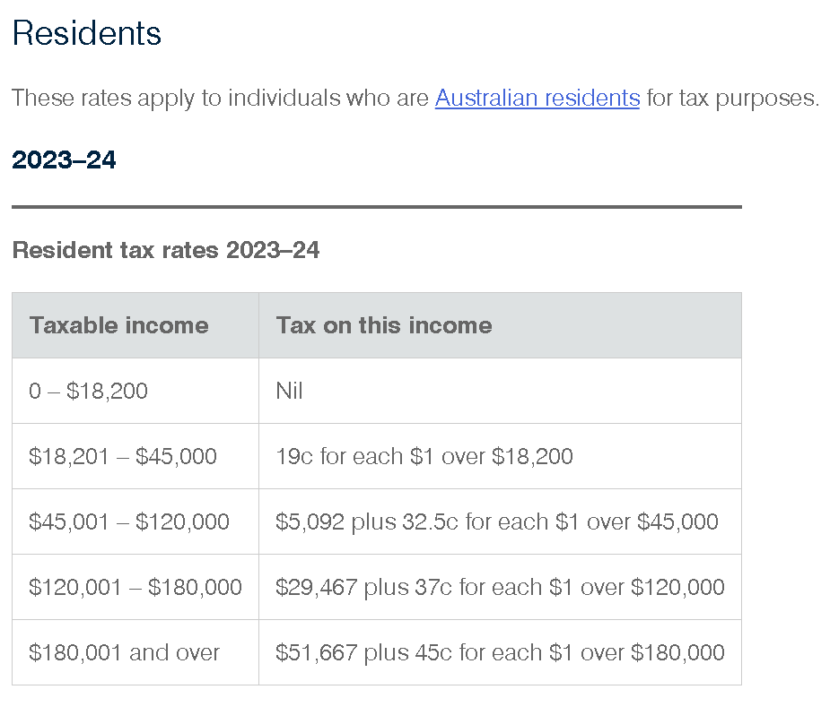
$151,000 | 10 | Balance of NSW
$176,000 | 11 | Balance of VIC
$202,000 | 12 | Balance of SA
$252,000 | 13 | Balance of TAS
$315,000 | 14 | Balance of WA
$378,000 | 15 | Australia

Tax scales
$18,200 | 0 | $0
$45,000 | 0.19 | $5,092
$120,000 | 0.325 | $29,467
$180,000 | 0.37 | $51,667
 | 0.45
Medicare
Levy | 2.00%
Low income earner
Lower | 23365
Upper | 29207

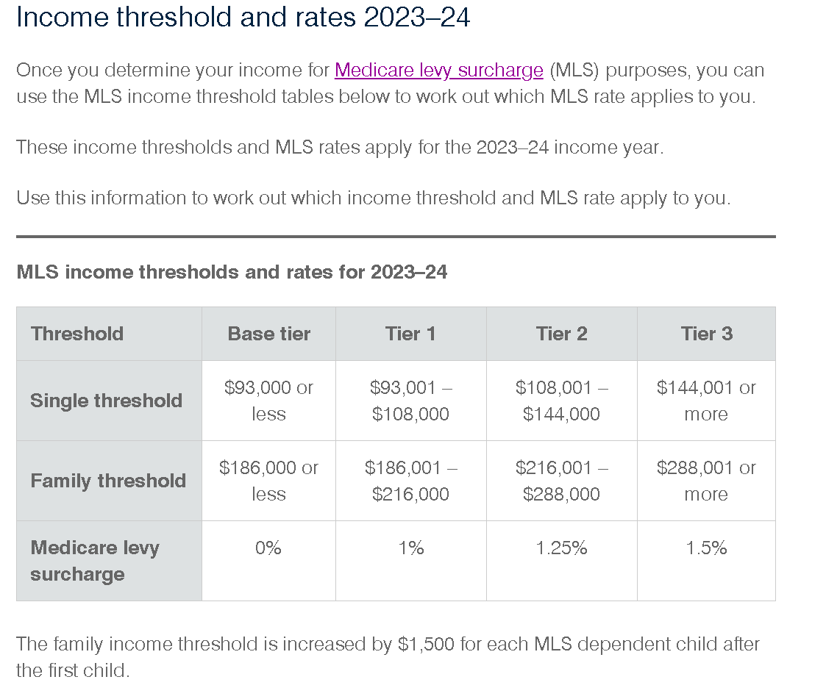
Medicare Levy Surcharge |  | No | #N/A
 |  |  | Extra child | 0
Family situation | Family | $0 | 1500 | #N/A | #N/A
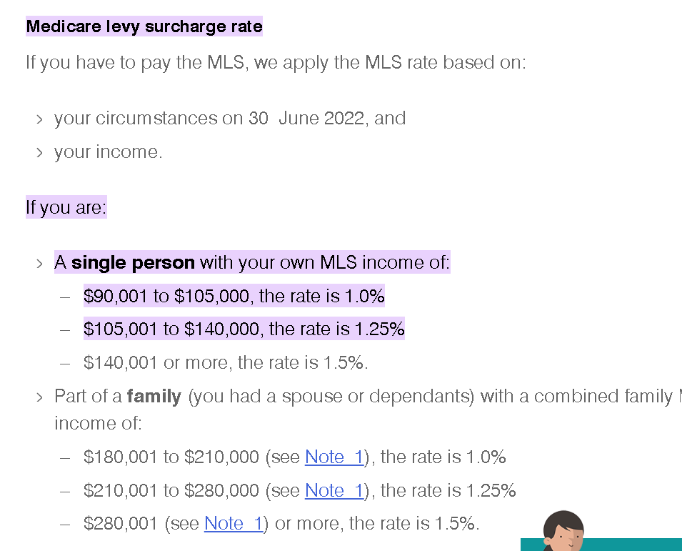
Single
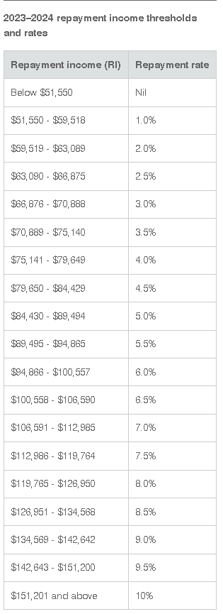
$1 | 0.00%
$93,000 | 0.00%
$93,001 | 1.00%
$108,001 | 1.25%
$144,001 | 1.50%

Family
$1 | 0.00%
$186,000 | 0.00%
$186,001 | 1.00%
$216,001 | 1.25%
$288,001 | 1.50%

HELP Table 2023-24
$0 | 0.0%
$51,550 | 1.0%
$59,519 | 2.0%
$63,090 | 2.5%
$66,876 | 3.0%
$70,889 | 3.5%
$75,141 | 4.0%
$79,650 | 4.5%
$84,430 | 5.0%
$89,495 | 5.5%
$94,866 | 6.0%
$100,558 | 6.5%
$106,591 | 7.0%
$112,986 | 7.5%
$119,765 | 8.0%
$126,951 | 8.5%
$134,569 | 9.0%
$142,643 | 9.5%
$151,201 | 10.0%

Non Taxed Income
Car Allowance |  | App 1
Salary Packaging |  | App 2
Family Benefit
Pension (ex Age/Unemp)
Child Support

Discounts
Current year |  | 50%
2 yr average |  | 80%

Allowances
Other |  | 80%
Condition of employment |  | 100%

Payout/Split
 |  | Y | Y | Y
 |  | 50% | Exc

Minimum Board/Rent |  | $500

Commitments
Child Support |  | Credit Card
HELP |  | Interest Free
Super salary sacrifice
Guarantee
Private School Fees
Confirmed
Yes
No
N/A
Reference
Done
Pending
Direct Credit
NA QR/Aurizon
Emp Status
Full Time
Perm P/T
Casual
Contract
Probation
Self Employed
Investor

Credit File |  |  | No of Enq
Clear report |  |  | 0
Default
Paid Default
Court Judgment
Bankrupt
New credit file
High credit seeker

Fees
Fees
 |  |  |  |  |  |  |  |  |  |  | Select State | $0.00
 | Complete Package (Pro Rata) |  |  | Mortgage Registration Fee's |  |  | HELP Calculator |  |  |  | QLD | $195.00
 |  |  |  |  |  |  |  |  |  |  | NSW | $146.40
 | Settlement Month | Select Month | $0.00 | State |  | #N/A | Application 1 |  |  |  | VIC | $110.80
 |  |  |  | OFI Mortgage on Title | Select Option |  | Total salary per annum | $0 |  |  | ACT | $153.00
 |  |  |  |  |  |  |  |  |  |  | NT | $149.00
 | Broker Commission |  |  | Transfer Duty | $0.00 | (If Refinance leave as $0) | HELP tax rate | 0.0% |  |  | SA | $173.00
 |  |  |  |  |  |  |  |  |  |  | WA | $178.20
 | Loan Amount (Incl Fees) | $- | $- | Document Registration Field | $0.00 |  | HELP commitment per month | $0 |  |  | TAS | $138.51
 | Contract Reference

 | Valuation and LMI Cost Calculation |  |  | Registration Fee Scenario's |  |  | Application 2
 |  |  |  |  |  |  | Total salary per annum | $0 |  |  | Select Month
 | Total Cost of Valuations/LMI | $220.00 |  | Marital Seperation | Treat as Purchase - x 3 Fee's Applicable |  |  |  |  |  | July | 395 | 12
 | GST Portion | $20.00 |  | Transfer of ownership | Treat as Purchase - x 3 Fee's Applicable |  | HELP tax rate | 0.0% |  |  | August | 363 | 11
 | RITC Portion | $5.00 |  |  |  |  |  |  |  |  | September | 330 | 10
 | Total Cost to Customer | $205.00 | ** LMI Calcualtion |  |  |  | HELP commitment per month | $0 |  |  | October | 297 | 9
 | End cost to Customer (less standard fee) | $0.00 | ** Valuation Calculation |  |  |  |  |  |  |  | November | 264 | 8
 |  |  |  |  |  |  |  |  |  |  | December | 231 | 7
 |  |  |  |  |  |  |  |  |  |  | January | 198 | 6
2023 Registration Fee Schedule |  |  |  |  |  |  | LO References |  |  |  | February | 165 | 5
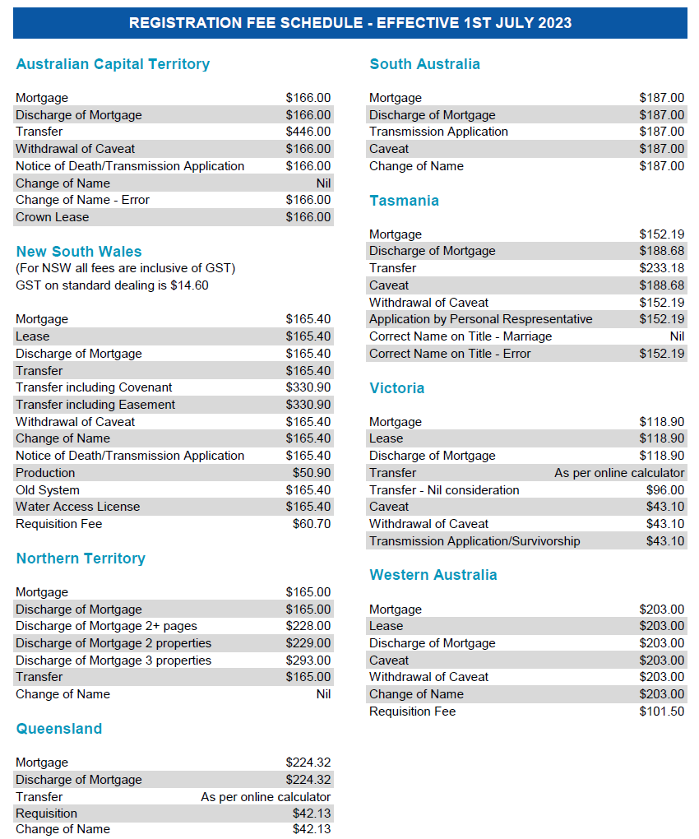
 |  |  |  |  |  |  |  |  |  |  | March | 132 | 4
 |  |  |  |  |  |  | FEES | Amount | Contract Reference | Explanation | April | 99 | 3
 |  |  |  |  |  |  | Valuation Fees | to be added | to be added | Add the valuer's name | May | 66 | 2
 |  |  |  |  |  |  | Lender's Mortgage Insurance | to be added | to be added | Add the Mortgage Insurer's Name | June | 33 | 1
 |  |  |  |  |  |  | Establishment Fee | to be added | MOVE Bank | New Mortgage - $600 and Internal Refinance - $150
 |  |  |  |  |  |  | Loan Switch Fees | to be added | MOVE Bank
 |  |  |  |  | ACT | $166.00 | Mortgage Discharge Fees | $350 | MOVE Bank | Charged by Move Bank to process the discharge
 |  |  |  |  | NSW | $165.40 | Mortgage Discharge Fees- Payable to Others | to be added | LEGALSTREAM PTY LTD | Discharge fees charged by the State Title's Office
 |  |  |  |  | NT | $165.00 | Document Registration Fees | to be added | LEGALSTREAM PTY LTD | Depends on the loan purpose and state
 |  |  |  |  | QLD | $224.32 | Broker Upfront Commission | to be added | Broker Name to be added | This is applicable only for Broker Loans
 |  |  |  |  | SA | $187.00 | Fixed Rate Lock Fee- Disclosure | $375 | MOVE Bank | Our fees
 |  |  |  |  | TAS | $152.19 | QuickDebit Dishonour Fee | $15 | MOVE Bank | Our fees
 |  |  |  |  | VIC | $118.90 | Loan Redraw - Staff Assisted | $25 | MOVE Bank | Our fees
 |  |  |  |  | WA | $203.00 | Annual Package Fee | $395 | MOVE Bank | Only for package products
 |  |  |  |  |  |  | Establishment Fees- Other Securities | to be added | MOVE Bank | This is to be added if there are more than one securities involved
 |  |  |  |  |  |  | Package Product Fee- Pro-Rata | to be added | MOVE Bank | Only for package products
 |  |  |  |  |  |  | Construction Progress Draw | $150 | MOVE Bank | Only for construction loans- $50 each for first three progress payments are to be charged upfront
 |  |  |  |  |  |  | Progress Valuation Fee | to be added | Valuer's name | This amount is twice the progress valuation amount to be charged by the valuer for Progress Inspection only. This is different to the full inspection done at assessment stage before approval. It is usually different depending on the location of the property. Confirm with the valuer if unsure at approval stage. This has to be the same valuer who carried out the full inspection.
 |  |  |  |  |  |  | Progress Draw Fee - Additional | $50 | MOVE Bank
 |  |  |  |  |  |  | Progress Valuation Fee- Additional | to be added | Valuer's name | This amount is the Progress valuation amount to be charged by the valuer if an additional inspection is required

 |  | https://movebank.com.au/quick-links/calculators/stamp-duty/

 |  | https://www.paycalculator.com.au/

ARS223
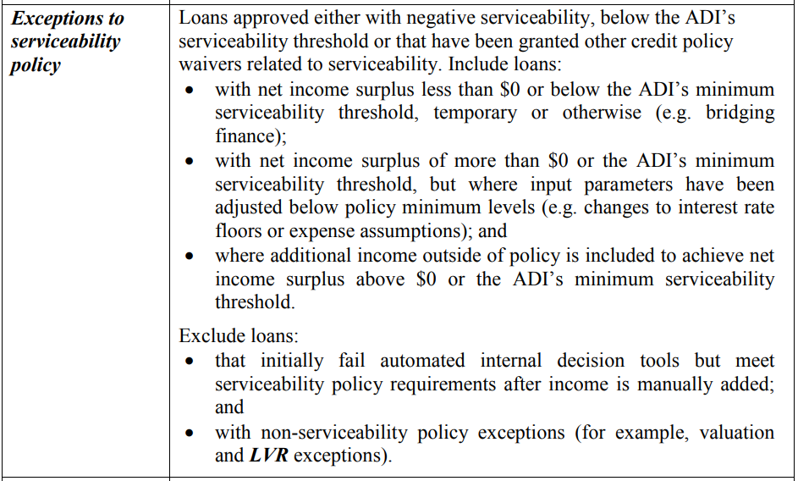
ARS 223 Reporting Data
 |  | APRA Definitions
Information Required | MOVE Data

Is this loan Broker Originated?

Temporarily modified due to Financial Hardship?

Externally refinanced?

Non-Performing Customer Credit History?

Exceptions to Serviceability Policy?
* See definition
Serviceability Verification Waivers?
* See definition
LVR at Approval?

First Home Buyer?

Serviced by foreign sourced income?

